Hardware Description
 | LLD Template

Logical Integration

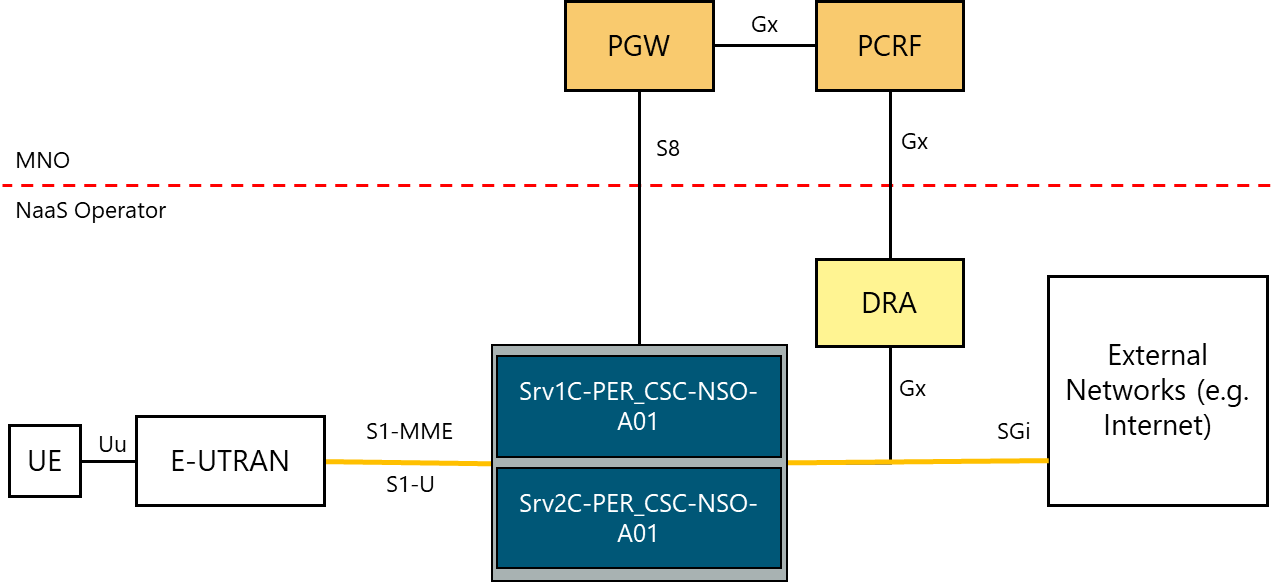

Logical to Physical Elements

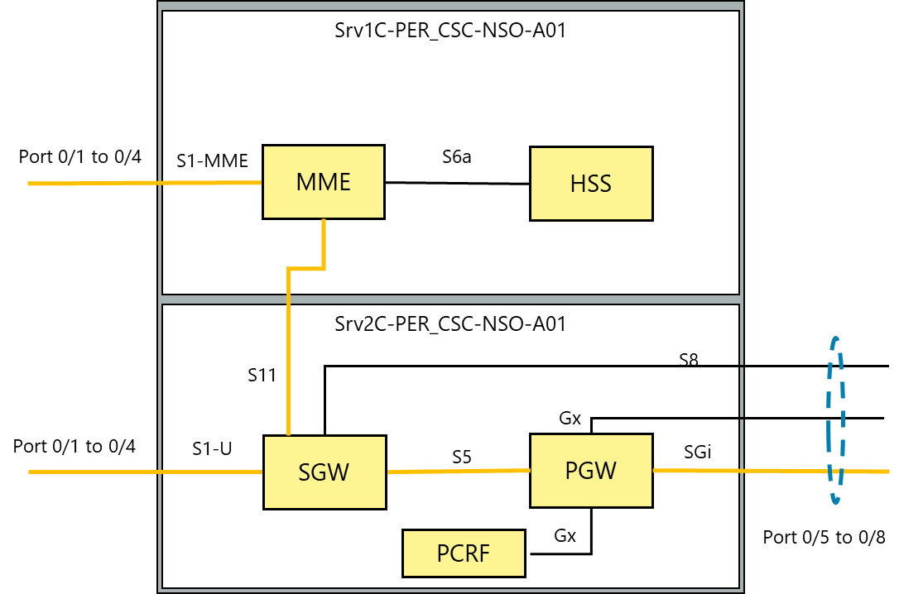

Logical to Physical Relationship

 |  | Hardware Element | Logical Element
 |  | Srv1C-PER_CSC-NSO-A01 | MME, HSS
 |  | Srv2C-PER_CSC-NSO-A01 | SGW, PGW
 |  | Srv1C-PER_CSC-NSO-B01 (Standby) | MME, HSS
 |  | Srv2C-PER_CSC-NSO-B01 (Standby) | SGW, PGW
 |  | Srv1C-PER_CSC-NSO-A01 Port 0/1 | S1-MME
 |  | Srv1C-PER_CSC-NSO-A01 Port 0/2
 |  | Srv1C-PER_CSC-NSO-A01 Port 0/3
 |  | Srv1C-PER_CSC-NSO-A01 Port 0/4
 |  | Srv1C-PER_CSC-NSO-A01 Port 0/5 | Reserved
 |  | Srv1C-PER_CSC-NSO-A01 Port 0/6
 |  | Srv1C-PER_CSC-NSO-A01 Port 0/7
 |  | Srv1C-PER_CSC-NSO-A01 Port 0/8
 |  | Srv2C-PER_CSC-NSO-A01 Port 0/1 | S1-U
 |  | Srv2C-PER_CSC-NSO-A01 Port 0/2
 |  | Srv2C-PER_CSC-NSO-A01 Port 0/3
 |  | Srv2C-PER_CSC-NSO-A01 Port 0/4
 |  | Srv2C-PER_CSC-NSO-A01 Port 0/5 | Gx, S8 & SGi
 |  | Srv2C-PER_CSC-NSO-A01 Port 0/6
 |  | Srv2C-PER_CSC-NSO-A01 Port 0/7
 |  | Srv2C-PER_CSC-NSO-A01 Port 0/8
 |  | Srv1C-PER_CSC-NSO-B01 Port 0/1 | S1-MME (Standby)
 |  | Srv1C-PER_CSC-NSO- B01 Port 0/2
 |  | Srv1C-PER_CSC-NSO- B01 Port 0/3
 |  | Srv1C-PER_CSC-NSO- B01 Port 0/4
 |  | Srv2C-PER_CSC-NSO- B01 Port 0/1 | S1-U (Standby)
 |  | Srv2C-PER_CSC-NSO- B01 Port 0/2
 |  | Srv2C-PER_CSC-NSO- B01 Port 0/3
 |  | Srv2C-PER_CSC-NSO- B01 Port 0/4
 |  | Srv2C-PER_CSC-NSO- B01 Port 0/5 | Gx, S8 & SGi (Standby)
 |  | Srv2C-PER_CSC-NSO- B01 Port 0/6
 |  | Srv2C-PER_CSC-NSO- B01 Port 0/7
 |  | Srv2C-PER_CSC-NSO- B01 Port 0/8
 |  | Srv2C-PER_CSC-NSO- B01 Port 0/5 | Reserved (Standby)
 |  | Srv2C-PER_CSC-NSO- B01 Port 0/6
 |  | Srv2C-PER_CSC-NSO- B01 Port 0/7
 |  | Srv2C-PER_CSC-NSO- B01 Port 0/8

Physical and Logical Topology
 | LLD Template

Physical and Logical Topology

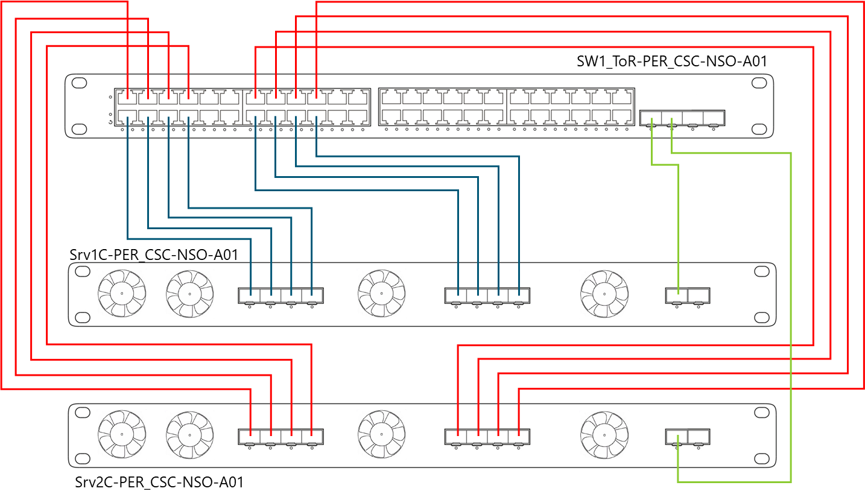

Relationship

 |  | Device A |  | Device B |  | Link Type
 |  | Srv1C-PER_CSC-NSO-A01 (Port 0/1) |  | SW1_ToR-PER_CSC-NSO-A01 (Port 1/1) |  | 10 GE
 |  | Srv1C-PER_CSC-NSO-A01 (Port 0/2) |  | SW1_ToR-PER_CSC-NSO-A01 (Port 1/2) |  | 10 GE
 |  | Srv1C-PER_CSC-NSO-A01 (Port 0/3) |  | SW1_ToR-PER_CSC-NSO-A01 (Port 1/3) |  | 10 GE
 |  | Srv1C-PER_CSC-NSO-A01 (Port 0/4) |  | SW1_ToR-PER_CSC-NSO-A01 (Port 1/4) |  | 10 GE
 |  | Srv1C-PER_CSC-NSO-A01 (Port 0/5) |  | SW1_ToR-PER_CSC-NSO-A01 (Port 1/7) |  | 10 GE
 |  | Srv1C-PER_CSC-NSO-A01 (Port 0/6) |  | SW1_ToR-PER_CSC-NSO-A01 (Port 1/8) |  | 10 GE
 |  | Srv1C-PER_CSC-NSO-A01 (Port 0/7) |  | SW1_ToR-PER_CSC-NSO-A01 (Port 1/9) |  | 10 GE
 |  | Srv1C-PER_CSC-NSO-A01 (Port 0/8) |  | SW1_ToR-PER_CSC-NSO-A01 (Port 1/10) |  | 10 GE
 |  | Srv1C-PER_CSC-NSO-A01 (Port 1/1) |  | SW1_ToR-PER_CSC-NSO-A01 (Port 2/1) |  | 1 GE
 |  | Srv2C-PER_CSC-NSO-A01 (Port 0/1) |  | SW1_ToR-PER_CSC-NSO-A01 (Port 0/1) |  | 10 GE
 |  | Srv2C-PER_CSC-NSO-A01 (Port 0/2) |  | SW1_ToR-PER_CSC-NSO-A01 (Port 0/2) |  | 10 GE
 |  | Srv2C-PER_CSC-NSO-A01 (Port 0/3) |  | SW1_ToR-PER_CSC-NSO-A01 (Port 0/3) |  | 10 GE
 |  | Srv2C-PER_CSC-NSO-A01 (Port 0/4) |  | SW1_ToR-PER_CSC-NSO-A01 (Port 0/4) |  | 10 GE
 |  | Srv2C-PER_CSC-NSO-A01 (Port 0/5) |  | SW1_ToR-PER_CSC-NSO-A01 (Port 0/7) |  | 10 GE
 |  | Srv2C-PER_CSC-NSO-A01 (Port 0/6) |  | SW1_ToR-PER_CSC-NSO-A01 (Port 0/8) |  | 10 GE
 |  | Srv2C-PER_CSC-NSO-A01 (Port 0/7) |  | SW1_ToR-PER_CSC-NSO-A01 (Port 0/9) |  | 10 GE
 |  | Srv2C-PER_CSC-NSO-A01 (Port 0/8) |  | SW1_ToR-PER_CSC-NSO-A01 (Port 0/10) |  | 10 GE
 |  | Srv2C-PER_CSC-NSO-A01 (Port 1/1) |  | SW1_ToR-PER_CSC-NSO-A01 (Port 2/2) |  | 1 GE
 |  | SW1_ToR-PER_CSC-NSO-A01 (Port 0/13) |  | SW2_ToR-PER_CSC-NSO-A01 (Port 0/13) |  | 10 GE
 |  | SW1_ToR-PER_CSC-NSO-A01 (Port 0/14) |  | SW2_ToR-PER_CSC-NSO-A01 (Port 0/14) |  | 10 GE
 |  | SW1_ToR-PER_CSC-NSO-A01 (Port 0/15) |  | SW2_ToR-PER_CSC-NSO-A01 (Port 0/15) |  | 10 GE
 |  | SW1_ToR-PER_CSC-NSO-A01 (Port 0/16) |  | SW2_ToR-PER_CSC-NSO-A01 (Port 0/16) |  | 10 GE

IP Planning

 |  | Subnet Purpose |  | Number of required IP addresses | Subnet Mask
 |  | User Service Pool |  | 260,000 | 10.96.0.0/14
 |  | Network Interface Ports |  | 160 | 10.100.0.0/24
 |  | Blades or computing hosts |  | 30 | 10.101.0.0/26
 |  | Loopback Interfaces |  | 30 | 10.101.64.0/26
 |  | Disk Array Controllers |  | 8 | 10.101.128.0/28

 |  | Device A |  | Device B |  | Network
 |  | Srv1C-PER_CSC-NSO-A01 (Port 0/1) |  | SW1_ToR-PER_CSC-NSO-A01 (Port 1/1) |  | 10.100.0.0/30
 |  | Srv1C-PER_CSC-NSO-A01 (Port 0/2) |  | SW1_ToR-PER_CSC-NSO-A01 (Port 1/2) |  | 10.100.0.4/30
 |  | Srv1C-PER_CSC-NSO-A01 (Port 0/3) |  | SW1_ToR-PER_CSC-NSO-A01 (Port 1/3) |  | 10.100.0.8/30
 |  | Srv1C-PER_CSC-NSO-A01 (Port 0/4) |  | SW1_ToR-PER_CSC-NSO-A01 (Port 1/4) |  | 10.100.0.12/30
 |  | Srv1C-PER_CSC-NSO-A01 (Port 0/5) |  | SW1_ToR-PER_CSC-NSO-A01 (Port 1/7) |  | 10.100.0.16/30
 |  | Srv1C-PER_CSC-NSO-A01 (Port 0/6) |  | SW1_ToR-PER_CSC-NSO-A01 (Port 1/8) |  | 10.100.0.20/30
 |  | Srv1C-PER_CSC-NSO-A01 (Port 0/7) |  | SW1_ToR-PER_CSC-NSO-A01 (Port 1/9) |  | 10.100.0.24/30
 |  | Srv1C-PER_CSC-NSO-A01 (Port 0/8) |  | SW1_ToR-PER_CSC-NSO-A01 (Port 1/10) |  | 10.100.0.28/30
 |  | Srv1C-PER_CSC-NSO-A01 (Port 1/1) |  | SW1_ToR-PER_CSC-NSO-A01 (Port 2/1) |  | 10.100.0.32/30
 |  | Srv2C-PER_CSC-NSO-A01 (Port 0/1) |  | SW1_ToR-PER_CSC-NSO-A01 (Port 0/1) |  | 10.100.0.36/30
 |  | Srv2C-PER_CSC-NSO-A01 (Port 0/2) |  | SW1_ToR-PER_CSC-NSO-A01 (Port 0/2) |  | 10.100.0.40/30
 |  | Srv2C-PER_CSC-NSO-A01 (Port 0/3) |  | SW1_ToR-PER_CSC-NSO-A01 (Port 0/3) |  | 10.100.0.44/30
 |  | Srv2C-PER_CSC-NSO-A01 (Port 0/4) |  | SW1_ToR-PER_CSC-NSO-A01 (Port 0/4) |  | 10.100.0.48/30
 |  | Srv2C-PER_CSC-NSO-A01 (Port 0/5) |  | SW1_ToR-PER_CSC-NSO-A01 (Port 0/7) |  | 10.100.0.52/30
 |  | Srv2C-PER_CSC-NSO-A01 (Port 0/6) |  | SW1_ToR-PER_CSC-NSO-A01 (Port 0/8) |  | 10.100.0.56/30
 |  | Srv2C-PER_CSC-NSO-A01 (Port 0/7) |  | SW1_ToR-PER_CSC-NSO-A01 (Port 0/9) |  | 10.100.0.60/30
 |  | Srv2C-PER_CSC-NSO-A01 (Port 0/8) |  | SW1_ToR-PER_CSC-NSO-A01 (Port 0/10) |  | 10.100.0.64/30
 |  | Srv2C-PER_CSC-NSO-A01 (Port 1/1) |  | SW1_ToR-PER_CSC-NSO-A01 (Port 2/2) |  | 10.100.0.68/30
 |  | Srv1C-PER_CSC-NSO-B01 (Port 0/1) |  | SW2_ToR-PER_CSC-NSO-A01 (Port 1/1) |  | 10.100.0.72/30
 |  | Srv1C-PER_CSC-NSO-B01 (Port 0/2) |  | SW2_ToR-PER_CSC-NSO-A01 (Port 1/2) |  | 10.100.0.76/30
 |  | Srv1C-PER_CSC-NSO-B01 (Port 0/3) |  | SW2_ToR-PER_CSC-NSO-A01 (Port 1/3) |  | 10.100.0.80/30
 |  | Srv1C-PER_CSC-NSO-A01 (Port 0/4) |  | SW2_ToR-PER_CSC-NSO-A01 (Port 1/4) |  | 10.100.0.84/30
 |  | Srv1C-PER_CSC-NSO-B01 (Port 0/5) |  | SW2_ToR-PER_CSC-NSO-A01 (Port 1/7) |  | 10.100.0.88/30
 |  | Srv1C-PER_CSC-NSO-B01 (Port 0/6) |  | SW2_ToR-PER_CSC-NSO-A01 (Port 1/8) |  | 10.100.0.92/30
 |  | Srv1C-PER_CSC-NSO-B01 (Port 0/7) |  | SW2_ToR-PER_CSC-NSO-A01 (Port 1/9) |  | 10.100.0.96/30
 |  | Srv1C-PER_CSC-NSO-B01 (Port 0/8) |  | SW2_ToR-PER_CSC-NSO-A01 (Port 1/10) |  | 10.100.0.100/30
 |  | Srv1C-PER_CSC-NSO-B01 (Port 1/1) |  | SW2_ToR-PER_CSC-NSO-A01 (Port 2/1) |  | 10.100.0.104/30
 |  | Srv2C-PER_CSC-NSO-B01 (Port 0/1) |  | SW2_ToR-PER_CSC-NSO-A01 (Port 0/1) |  | 10.100.0.108/30
 |  | Srv2C-PER_CSC-NSO-B01 (Port 0/2) |  | SW2_ToR-PER_CSC-NSO-A01 (Port 0/2) |  | 10.100.0.112/30
 |  | Srv2C-PER_CSC-NSO-B01 (Port 0/3) |  | SW2_ToR-PER_CSC-NSO-A01 (Port 0/3) |  | 10.100.0.116/30
 |  | Srv2C-PER_CSC-NSO-B01 (Port 0/4) |  | SW2_ToR-PER_CSC-NSO-A01 (Port 0/4) |  | 10.100.0.120/30
 |  | Srv2C-PER_CSC-NSO-B01 (Port 0/5) |  | SW2_ToR-PER_CSC-NSO-A01 (Port 0/7) |  | 10.100.0.124/30
 |  | Srv2C-PER_CSC-NSO-B01 (Port 0/6) |  | SW2_ToR-PER_CSC-NSO-A01 (Port 0/8) |  | 10.100.0.128/30
 |  | Srv2C-PER_CSC-NSO-B01 (Port 0/7) |  | SW2_ToR-PER_CSC-NSO-A01 (Port 0/9) |  | 10.100.0.132/30
 |  | Srv2C-PER_CSC-NSO-B01 (Port 0/8) |  | SW2_ToR-PER_CSC-NSO-A01 (Port 0/10) |  | 10.100.0.136/30
 |  | Srv2C-PER_CSC-NSO-B01 (Port 1/1) |  | SW2_ToR-PER_CSC-NSO-A01 (Port 2/2) |  | 10.100.0.140/30
 |  | SW1_ToR-PER_CSC-NSO-A01 (Port 0/13) |  | SW2_ToR-PER_CSC-NSO-A01 (Port 0/13) |  | 10.100.0.144/30
 |  | SW1_ToR-PER_CSC-NSO-A01 (Port 0/14) |  | SW2_ToR-PER_CSC-NSO-A01 (Port 0/14) |  | 10.100.0.148/30
 |  | SW1_ToR-PER_CSC-NSO-A01 (Port 0/15) |  | SW2_ToR-PER_CSC-NSO-A01 (Port 0/15) |  | 10.100.0.152/30
 |  | SW1_ToR-PER_CSC-NSO-A01 (Port 0/16) |  | SW2_ToR-PER_CSC-NSO-A01 (Port 0/16) |  | 10.100.0.156/30

Routing and Switching

 |  | Interface | VLAN Group
 |  | O&M | 10
 |  | SGi | 100
 |  | Gx | 110
 |  | S8 | 120
 |  | S1-MME | 130
 |  | S1-U | 140

 |  | Interface | Protocol | Group ID | Member Interfaces | Networks/Subnetworks
 |  | SGi | Static | NA | Srv2C-PER_CSC-NSO-A01 (Port 0/5) | Only the default route will be configured.
 |  |  |  |  | Srv2C-PER_CSC-NSO-A01 | 0.0.0.0/0 to the internet connected interface.
 |  |  |  |  | (Port 0/6) | IP subnets for all the port connections.
 |  |  |  |  | Srv2C-PER_CSC-NSO-A01 (Port 0/7)
 |  |  |  |  | Srv2C-PER_CSC-NSO-A01 (Port 0/8)
 |  |  |  |  | SW1_ToR-PER_CSC-NSO-A01 (Port 1/7)
 |  |  |  |  | SW1_ToR-PER_CSC-NSO-A01 (Port 1/8)
 |  | Gx | BGP | 100 | SW1_ToR-PER_CSC-NSO-A01 (Port 1/9) | IP address(es) for Gx
 |  |  |  |  | SW1_ToR-PER_CSC-NSO-A01 (Port 1/10) | IP subnets for all the port connections.
 |  | S8 | BGP | 110 |  | IP address(es) for S8
 |  |  |  |  |  | IP subnets for all the port connections.
 |  | S1-MME | OSPF | 20 | Srv1C-PER_CSC-NSO-A01 (Port 0/1) | IP address(es) for S1-MME
 |  |  |  |  | Srv1C-PER_CSC-NSO-A01 (Port 0/2) | IP subnets for all the port connections.
 |  |  |  |  | Srv1C-PER_CSC-NSO-A01 (Port 0/3)
 |  |  |  |  | Srv1C-PER_CSC-NSO-A01 (Port 0/4)
 |  |  |  |  | SW1_ToR-PER_CSC-NSO-A01 (Port 1/1)
 |  |  |  |  | SW1_ToR-PER_CSC-NSO-A01 (Port 1/2)
 |  |  |  |  | SW1_ToR-PER_CSC-NSO-A01 (Port 1/3)
 |  |  |  |  | SW1_ToR-PER_CSC-NSO-A01 (Port 1/4)
 |  | S1-U | OSPF | 30 | Srv2C-PER_CSC-NSO-A01 Port 0/1 | IP address(es) for S1-U
 |  |  |  |  | Srv2C-PER_CSC-NSO-A01 Port 0/2 | IP subnets for all the port connections.
 |  |  |  |  | Srv2C-PER_CSC-NSO-A01 Port 0/3
 |  |  |  |  | Srv2C-PER_CSC-NSO-A01 Port 0/4
 |  |  |  |  | SW1_ToR-PER_CSC-NSO-A01 (Port 0/1)
 |  |  |  |  | SW1_ToR-PER_CSC-NSO-A01 (Port 0/2)
 |  |  |  |  | SW1_ToR-PER_CSC-NSO-A01 (Port 0/3)
 |  |  |  |  | SW1_ToR-PER_CSC-NSO-A01 (Port 0/4)

